Cover
기후변화 대응을 위한 공급사 현황 조사표

A. 배경
현재 국제사회는 기후변화에 대응하기 위한 포괄적 정책 방향으로 ‘탄소중립(carbon neutrality)’을 선언하고, 온실가스 감축정책을 적극적으로 추진하고 있습니다.

파리협정(Paris Agreement)의 지구온난화 완화 목표인 ‘2100년까지 지구 평균온도 상승을 산업화 이전 대비 2℃ 이하로 제한’을 달성하기 위해서는 현재보다 상향된 온실가스 감축 노력이 필요하며, 이러한 맥락에서 국제사회는 탄소중립 2050년 탄소중립 목표에 주목하고 있으며, 많은 기업들이 이보다 앞서 탄소중립에 대한 목표를 수립하고 대응하고 있습니다.

이러한 측면에서 기후변화 대응은 삼성바이오로직의 제품과 서비스부터 제조공정, 공급망, 연구개발, 그외 여러 경영활동에 영향을 미치므로 각각의 기후변화 리스크와 기회요인 분석이 필요합니다.

B. 목적
㈜삼화당피앤티는 기후변화 대응을 위해 재생에너지로의 전환, 운송부문 배출량 상쇄등 여러 핵심활동을 우선 실행 범위로 설정하였습니다. 내부적 노력을 기울이는 과정에서 글로벌 차원에서 상호 협력할 때 더 큰 영향력을 발휘할 수 있음을 또한 인식하게 되었습니다.

㈜삼화당피앤티는 기후변화 위험과 기회를 분석하고 효과적인 대응 전략을 수립하였습니다. 사업 전반에 걸쳐 배출하는 온실가스 배출의 3가지 범주인 Scope 1, 2, 3를 면밀히 파악하고 관리하는 것은 기후변화 대응을 위한 ㈜삼화당피앤티의 기본적 목표입니다.

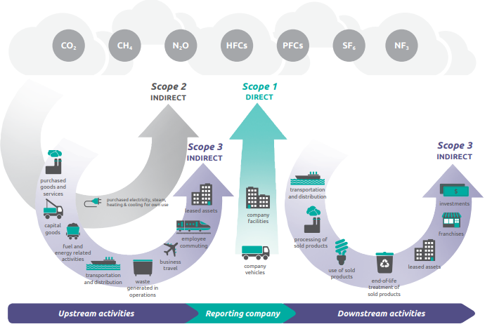

※ Scope1, Scope2, Scope3 정의
Scope1 : 사업장에서 밸생되는 직접 배출량
→ 사업자가 직접적으로 소유하고 통제하는 사업장내에서 운영 및 활동에 관계되어 온실가스가 직접적으로 배출되는 배출원
Scope2 : 사업장이 소비하는 전기, 증기, 난방 및 냉방을 구매한 전기, 증기, 냉난방 발전으로 인한 간접 배출량
→ 전력/스팀을 외부로부터 공급받아 사용하는 경우, 공급업체에서 전력 및 스팀을 생산하는 과정에서 온실가스가 배출되는 배출원
Scope3 : 회사의 가치 사슬에서 발생하는 기타 모든 간접 배출량
→ 에너지 사용과 온실가스 배츨 모두 조직경계 밖에서 일어나, 기업의 통제범위 밖에서 발생하는 배출원
본 조사표는 Scope3 배출 협력사 물품 공급 단계에 해당하는 '구매한 제품 및 서비스'에 해당되는 범주를 조사하고자 작성되었으며, 자료의 출저는 Greenhouse gas protocol에서 발간한 'Technical Guidance For Calculating Scope 3 Emissions (version 1.0)' 가이드를 기준으로 작성하였습니다.

 | 회사명 | ㈜삼화당피앤티
 | 국적 | 대한민국
 | 주소 | 경기도 남양주시 진건읍 진관산단로59번길 39
 | 담당자 | 소속 | 연구소 | 성명 | 김 기 태
 |  | 전화번호 | 02- 464- 3752 | Email | ktkim@samhwadang.co.kr

2025.1

 |  |  | ㈜삼화당피앤티

KPI(성과지표)그래프
주요 KPI(Key Performance Index) 월별 추이분석

KPI(성과지표) 그래프

원단 로스 수율(%)
1. 원단 로스 수율(%)
모니터링 기준 |  | 원단 로스 수율(%)
계산방법 |  | 실제사용수량(수율 % )

구분 | 2023년下 | 2024년 | 평균 | 1월 | 2월 | 3월 | 4월 | 5월 | 6월 | 7월 | 8월 | 9월 | 10월 | 11월
계획 |  | 98 | 98 | 98 | 98 | 98 | 98 | 98 | 98 | 98 | 98 | 98 | 98 | 98
실적 | 92.8 | 93.2 | 93.2 | 94.8 | 92.0 | 91.0 | 91.0 | 94.0 | 95.0 | 94.0 | 93.4 | 92.0 | 92.0 | 96.0

폐기물 마대 감소율
2. 폐기물 마대 감소율
모니터링 기준 |  | 사용 매수 (단원: EA)
계산방법 |  | 실제 사용량

구분 | 2023년下 | 2024년 | 평균 | 1월 | 2월 | 3월 | 4월 | 5월 | 6월 | 7월 | 8월 | 9월 | 10월 | 11월
계획 | 6 | 6 | 6 | 6 | 6 | 6 | 6 | 6 | 6 | 6 | 6 | 6 | 6 | 6
실적 | 4.6 | 5 | 5 | 6 | 4 | 6 | 6 | 6 | 4 | 4 | 4 | 8 | 4 | 4

전기 소비량
3. 전기소비량
모니터링 기준 |  | 금액(단위 : 만원)
계산방법 |  | 실제사용금액

구분 | 2023년下 | 2024년 | 평균 | 1월 | 2월 | 3월 | 4월 | 5월 | 6월 | 7월 | 8월 | 9월 | 10월 | 11월
계획 |  | 600 | 600 | 600 | 600 | 600 | 600 | 600 | 600 | 600 | 600 | 600 | 600 | 600
실적 | 703 | 692 | 692 | 795 | 774 | 669 | 639 | 586 | 764 | 783 | 691 | 640 | 583 | N/A

가스소비량
4. 가스소비량
모니터링 기준 |  | 금액(단위 : 만원)
계산방법 |  | 실제사용금액

구분 | 2023년下 | 2024년 | 평균 | 1월 | 2월 | 3월 | 4월 | 5월 | 6월 | 7월 | 8월 | 9월 | 10월 | 11월
계획 |  | 150 | 150 | 150 | 150 | 150 | 150 | 150 | 150 | 150 | 150 | 150 | 150 | 150
실적 | 170 | 174 | 174 | 360 | 236 | 168 | 13 | 57 | 166 | 244 | 242 | 193 | 56 | N/A

하수도소비량
5. 상하수도소비량
모니터링 기준 |  | 금액(단위 : 만원)
계산방법 |  | 실제사용금액

구분 | 2023년下 | 2024년 | 평균 | 1월 | 2월 | 3월 | 4월 | 5월 | 6월 | 7월 | 8월 | 9월 | 10월 | 11월
계획 |  | 12 | 12 | 12 | 12 | 12 | 12 | 12 | 12 | 12 | 12 | 12 | 12 | 12
실적 | 14 | 12 | 12 | 12 | 11 | 11 | 11 | 15 | 8 | 16 | 13 | 11 | 12 | N/A

탄소배출량 계산근거자료 23년
2023년 배출량 계산
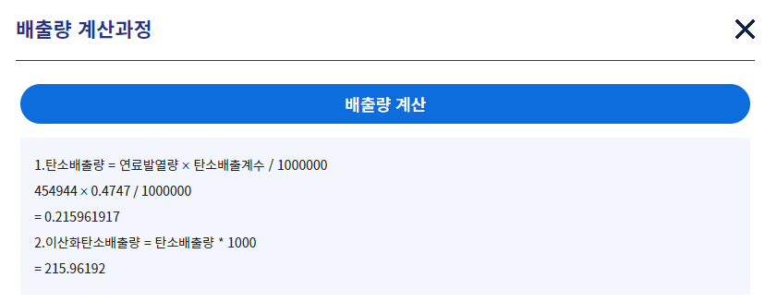
구분 | 사용량 | 온실가스배출량 (tco2/Kmw) | 금액 | scope | 비고
전기 | 474,944 KW | 215 | ₩76,160,000 | scope2 | 연간 전기 사용량(고지서)
가스사용량 | 19,740 mJ |  | ₩19,866,000 | scope2 | 연간 가스사용량(고지서)
상하수도사용량 | 987 ton |  | ₩1,678,000 | scope2 | 연간 상하수도사용량(고지서)

종량제 봉투 사용량 | 4,500 리터(75리터 X 60개) |  |  |  | 연간 총 사용량
음식물 쓰레기 사용량 | 5KG X 20(일) X 12(개월)= 1,200KG |  |  |  | 연간 총 사용량
폐기물 마대사용량 | 72개 |  |  |  | 연간 총 사용량
연간유해 폐기물량 | 4,120 KG |  |  |  | 업체 자료기준

연간 제품 운송 배출량 | 15,772 리터 | 41 | ₩21,500,000 | scope3 | 연간 주유량(법인 차량2대)
출퇴근 시 소요 배출량 | 13,500 리터 | 35 | ₩18,500,000 | scope3 | 전 직원 출퇴근거리 연간 주유량

* 참고 자료

1. 에너지 온실 가스 종합정보 플랫폼
https://tips.energy.or.kr/popup/toe.do

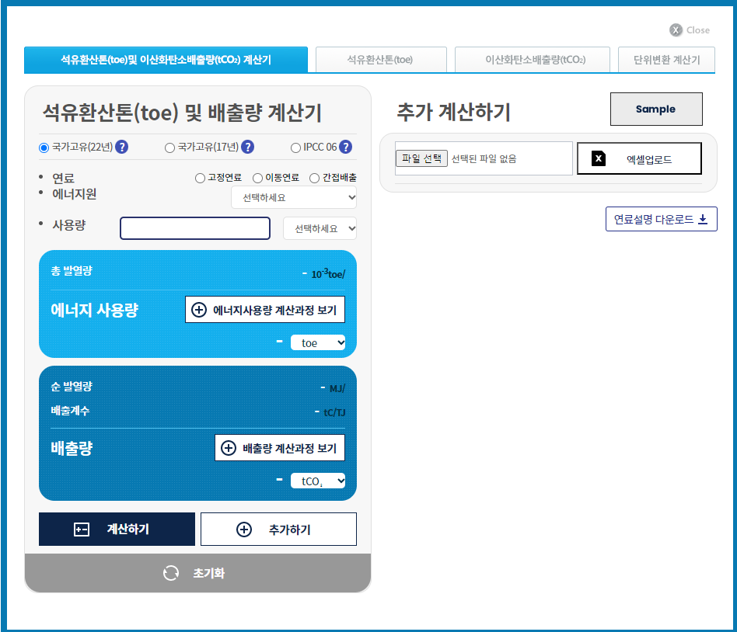

2. SCOPE3 측정 가이드 북 참고

* Scope 3

[ 원자재 입고전]
1. 카테고리: 원자재의 탄소 배출량
2. 카테고리: 생산에 사용되는 설비, 장비의 탄소배출량
3. 카테고리: 회사운영에 사용되는 연료를 채굴하고 운반하고 정제되는 과정에서 발생되는 탄소배출량
4. 카테고리: 우리회사에 필요한 원자재와 설비를 다른 회사에서 운송되는 과정에서 발생되는 탄소배출량

[ 생산공정]
5. 카테고리: 우리회사가 배출한 폐기물을 다른 소각장이나 매립장에서 처리하는 과정에서 발생되는 탄소 배출량
6. 카테고리: 임직원의 출장
7. 카테고리: 출퇴근시 발생되는 탄소배출량
8. 카테고리: 회사가 임차한 사무실에서 배출하는 배출량
9. 카테고리: 우리회사의 제품이 다른 회사로 운송되는 과정

[ 출하이후]
10. 카테고리: 우리회사의 제품이 완제품이 아닌 중간재라면 제품이 가공되는 과정
11. 카테고리 : 판매되는 제품이 사용되는 과정
12. 카테고리: 판매되는 제품이 폐기되는 과정
13. 카테고리: 우리회사가 다른 회사에 임대해 준 자산 등에서 배출하는 총 배출량
14. 카테고리: 우리회사의 가맹점이 배출하는 배출량
15. 카테고리: 우리회사가 다른 회사의 지분 참여등을 통해 투자한다면 해당 기업의 배출량

Information
Guideline

A. Survey Criteria
 | Reporting Period |  | 2023
 | Standards/Protocol |  | The survey is following the Corporate Value Chain(Scope 3) Standard of Greenhouse Gas Protocol. It is based on the Scope 3 Calculation Guidance of Greenhouse Gas Protocol.
 | Factories and Products |  | Products supplied to Samsung Biologics during the reporting period. The entire factories producing products supplied to Samsung Biologics.
 | Methodology |  | Fill in according to the order of operation, "Required" items must be filled out, and "Required (some exceptions)" may not be filled out if the exception conditions apply. "Select" is written if relevant, or "None" if not relevant

B. Survey Process
Start

Management
Required

Emissions
Required
 |  |  |  | Scope 1, 2, 3 Emissions

Factory
Required
 |  |  |  | Factory information & percentage of products supplied to SBL

Did you fill in your
Scope 3 emissions* on
"Emissions" sheet?
 |  |  | * Scope 3 emissions allocated to the production of products supplied to Samsung Biologics
No

Yes

Scope 3 Category 1 emissions was calculated with
the Spend-based method?
Yes

No

Product
Required
 |  |  |  |  |  | Product information & weight of the product & PCF

Do you have
PCF* data for all your
products for Samsung Biologics?
 |  |  |  |  | * PCF: Product Carbon Footprint
No

Yes
Hybrid
Required
 |  |  |  |  |  |  | Energy, Water, Waste, Materals & Substances of the product

End

C. Criteria by the cell color
 |  |  | Numerical or text data entry
 |  |  | Select from drop-down list
 |  |  | Automatic calculation (no creation or selection required)
 |  |  | Not Applicable (No need to create)

 |  | Product Name * | The red asterisked column is a must-fill.

